Sheet1
 |  | Document No. | Issue No. | Issue Date |  | Review and Replace Date |  | Authorised By
 |  | GFF293MC | 5 | 12.04.2021 |  | 12.07.2023
 |  | Document Title | 20 Chicken Tikka Samosa Large 1500g
 |  |  |  |  |  |  |  | Magda Shah
Document amendments reason for change |  | Labels in high risk if they packed the product on GTR machine. | Page 1 of 1 |  | Previous Issue Date |  | 27.10.2022 | Uncontrolled copy unless signed original

CCSAM-B20T | GAZEBO |  | 20 Chicken Tikka Samosa Large 1500g
STEP 1 |  |  |  |  | STEP 2
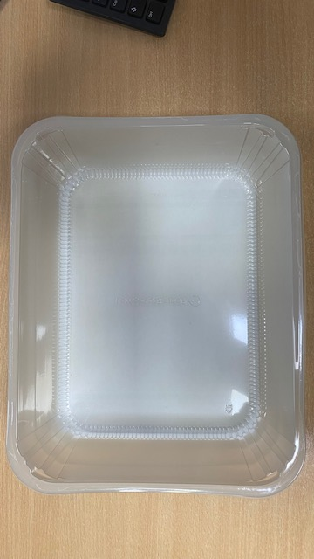 |  |  |  |  |  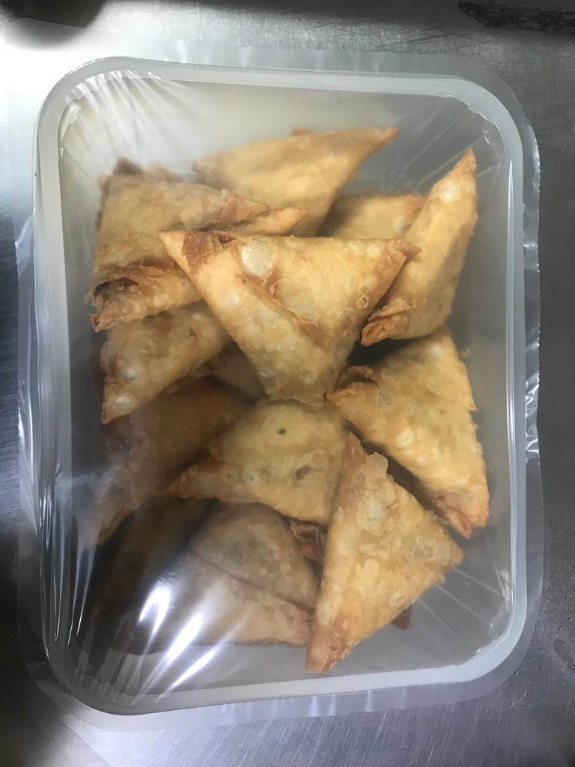

Tray: HW308/96 - OPEN ECO - (PKLEE001-10) |  |  |  |  | Chicken Tikka Samosa Large 75g (GFF004R): 20 Pieces 1500g
Film: K Peel RPSM 25µm (340mmX1000lmm) (PKKMP001-05)
STEP 3
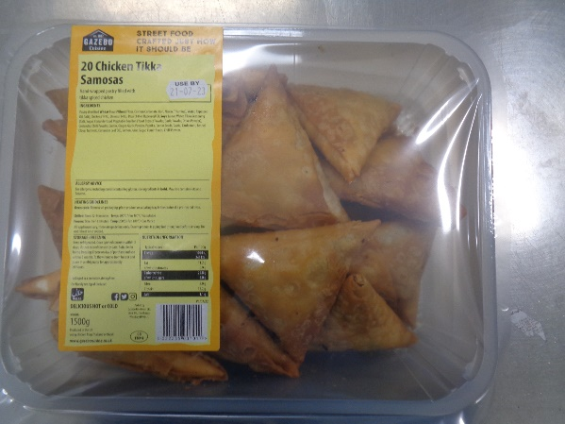 |  |  | 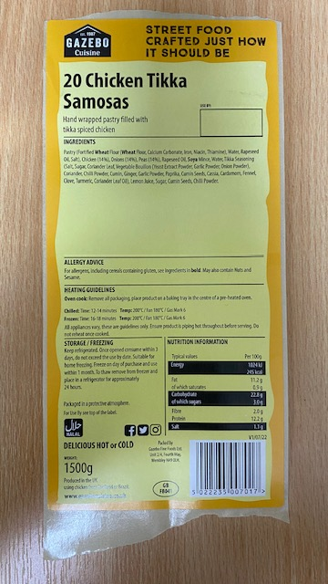

Label: 20 Chicken Tikka Samosas-Barcode: 7017
TOTAL WEIGHT: 1500g

ALLERGY ALERT: WHEAT, SOYA

